Sheet1
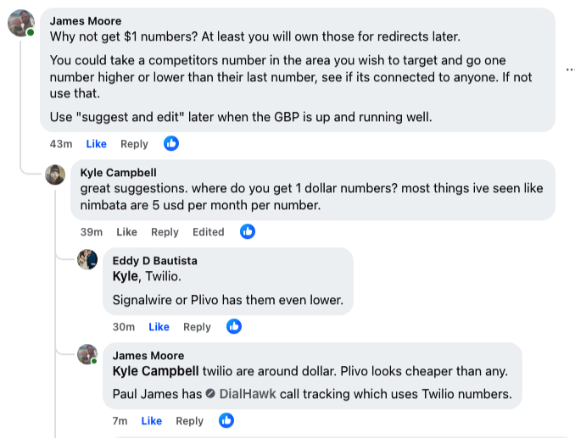
nimbata
ringba

twilio
signalwire
plivo

dialhawk (which uses twilio)

signalwire

twilio
sandbagexpert@gmail.com
Jarkno944$

